EOAS UG Spec Matrix
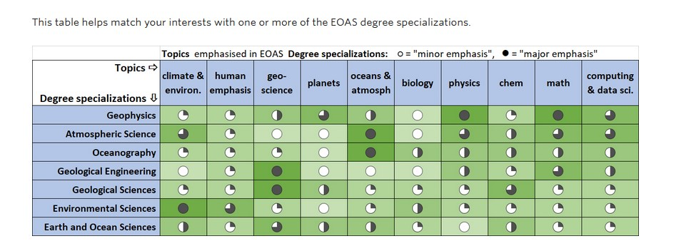
https://www.eoas.ubc.ca/undergrad/degrees

